Sheet1
Test case | Execution result (1: failed and 0: successful)

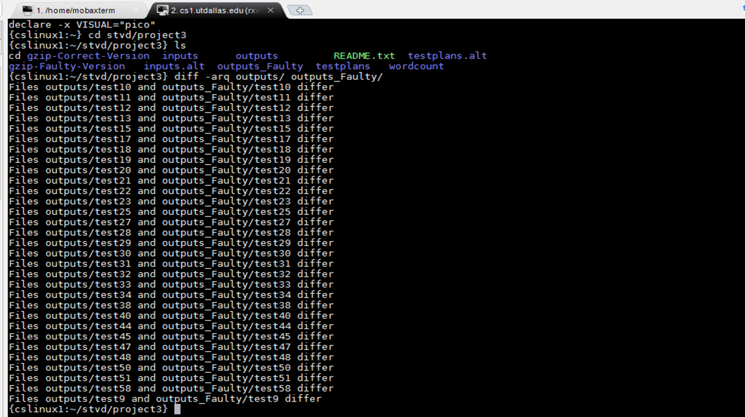
test-01 | 0
test-02 | 0
test-03 | 0
test-04 | 0
test-05 | 0
test-06 | 0
test-07 | 0
test-08 | 0
test-09 | 1
test-10 | 1
test-11 | 1
test-12 | 1
test-13 | 1
test-14 | 0
test-15 | 1
test-16 | 0
test-17 | 1
test-18 | 1
test-19 | 0
test-20 | 0
test-21 | 0
test-22 | 0
test-23 | 0
test-24 | 0
test-25 | 1
test-26 | 0
test-27 | 1
test-28 | 1
test-29 | 1
test-30 | 1
test-31 | 1
test-32 | 1
test-33 | 1
test-34 | 1
test-35 | 0
test-36 | 0
test-37 | 0
test-38 | 1
test-39 | 0
test-40 | 1
test-41 | 0
test-42 | 0
test-43 | 0
test-44 | 1
test-45 | 1
test-46 | 0
test-47 | 1
test-48 | 1
test-49 | 0
test-50 | 1
test-51 | 1
test-52 | 0
test-53 | 0
test-54 | 0
test-55 | 0
test-56 | 0
test-57 | 0
test-58 | 1
test-59 | 0
test-60 | 0
test-61 | 0
test-62 | 0
test-63 | 0
test-64 | 0
test-65 | 0
test-66 | 0
test-67 | 0
test-68 | 0
test-69 | 0
test-70 | 0
test-71 | 0
test-72 | 0
test-73 | 0
test-74 | 0
test-75 | 0
test-76 | 0
test-77 | 0
test-78 | 0
test-79 | 0
test-80 | 0
test-81 | 0
test-82 | 0
test-83 | 0
test-84 | 0
test-85 | 0
test-86 | 0
test-87 | 0
test-88 | 0
test-89 | 0
test-90 | 0
test-91 | 0
test-92 | 0
test-93 | 0
test-94 | 0
test-95 | 0
test-96 | 0
test-97 | 0
test-98 | 0
test-99 | 0
test-100 | 0

